Lab Details
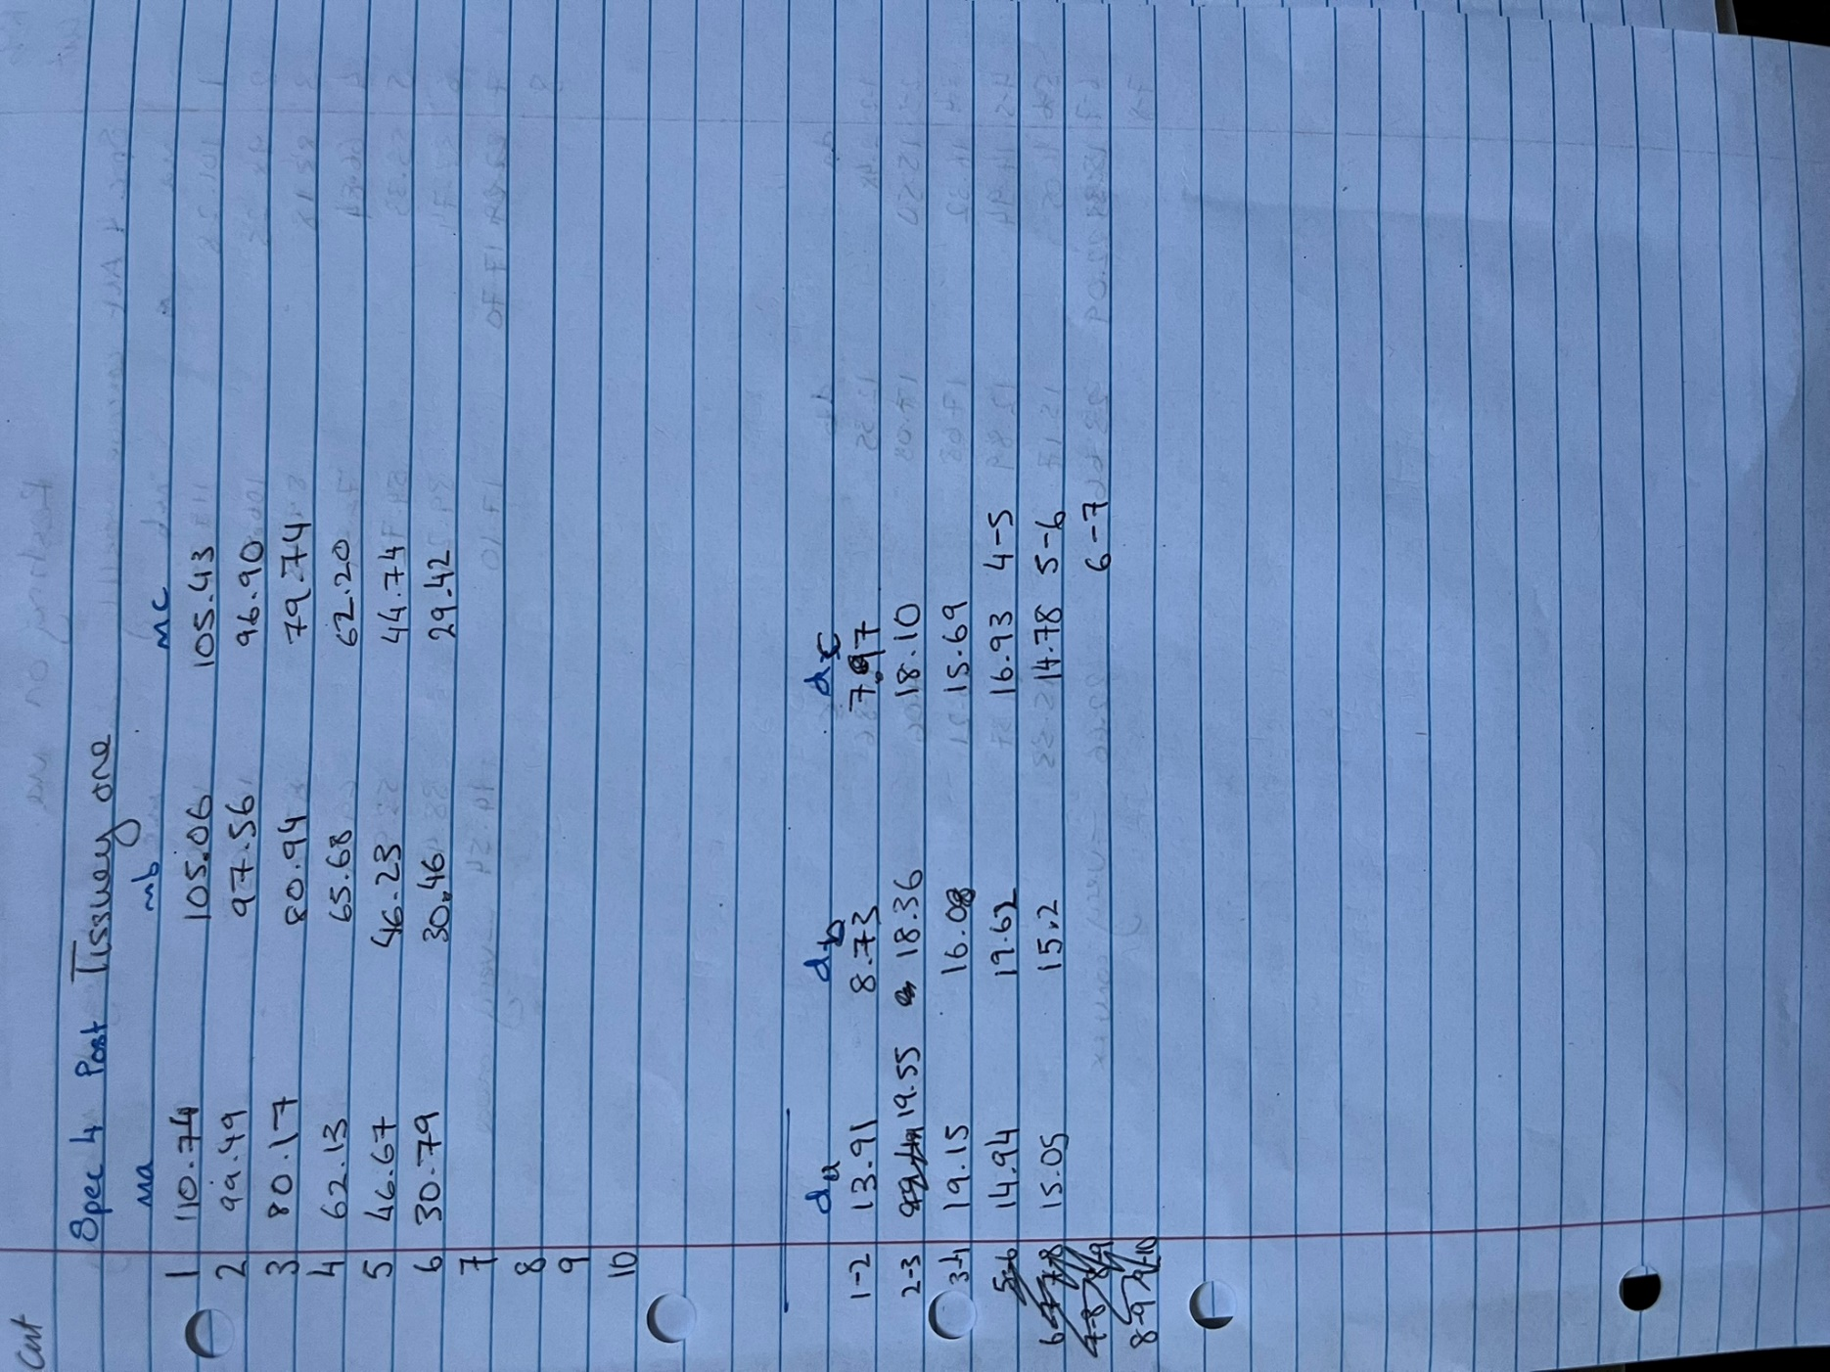
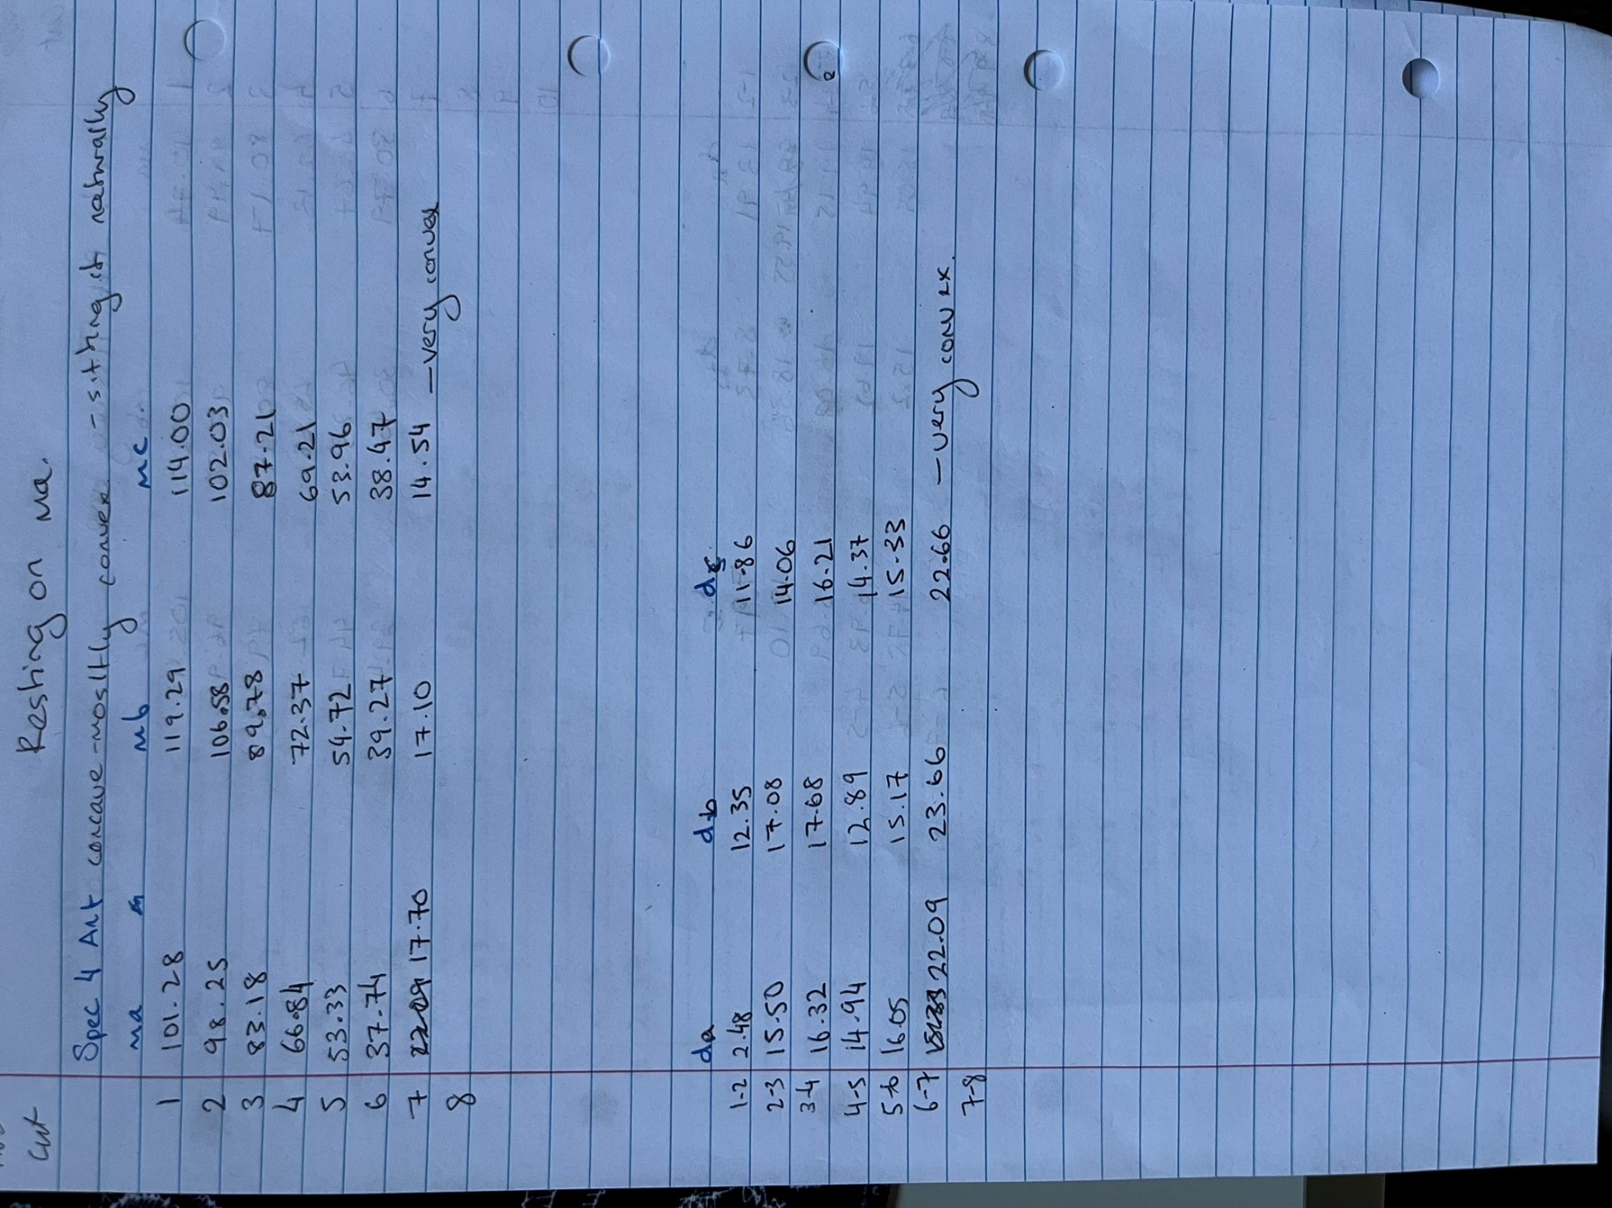
Posterior+Anterior |  | Specimen 04
Cut on 31-01-2025 |  | Bladewidth -0.6mm

 | Posterior |  |  |  | Anterior
 | Cut # | ma | mb | mc | Cut # | ma | mb | mc
 | 1 | 110.74 | 105.06 | 105.43 | 1 | 101.28 | 119.29 | 114
 | 2 | 99.49 | 97.56 | 96.9 | 2 | 98.25 | 106.58 | 102.03
 | 3 | 80.17 | 80.94 | 79.74 | 3 | 83.18 | 89.78 | 87.21
 | 4 | 62.13 | 65.68 | 62.2 | 4 | 66.84 | 72.37 | 69.21
 | 6 | 46.67 | 46.23 | 44.74 | 5 | 53.33 | 54.72 | 53.96
 | 7 | 30.79 | 30.46 | 29.42 | 6 | 37.74 | 39.27 | 38.47
 |  |  |  |  | 7 | 17.7 | 17.1 | 14.54 | very convex

 |  |  |  |  | Anterior
 |  |  |  |  | Width | da | db | dc
 |  |  |  |  | 1 to 2 | 2.48 | 12.35 | 11.86
 |  |  |  |  | 2 to 3 | 15.5 | 17.08 | 14.06
 |  |  |  |  | 3 to 4 | 16.32 | 17.68 | 16.21
 | Posterior |  |  |  | 4 to 5 | 14.94 | 12.89 | 14.37
 | Width | da | db | dc | 5 to 6 | 16.05 | 15.17 | 15.33
 | 1 to 2 | 13.91 | 8.73 | 7.97 | 6 to 7 | 22.09 | 23.66 | 22.66 | very convex
 | 2 to 3 | 19.55 | 18.36 | 18.1
 | 3 to 4 | 19.15 | 16.08 | 15.69
 | 4 to 5 | 14.94 | 19.62 | 16.93
 | 5 to 6 | 15.05 | 15.2 | 14.78

